Sheet1
Coursera IBM Data Analyst Professional Certificate Assignment 1

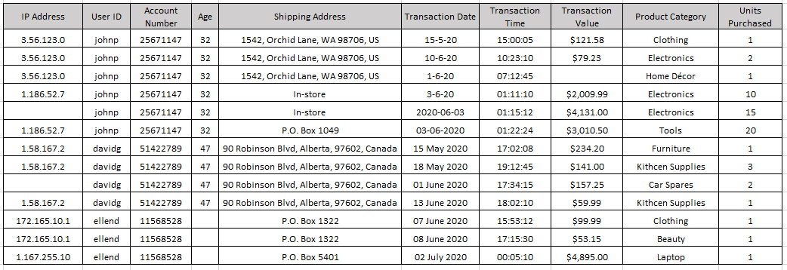

1. List at least 5 (five) data points that are required for the analysis and detection of a credit card fraud. (3 marks)
IP Address, Customer ID, Shipping Address, Transaction Value, and Units Purchased

2. Identify 3 (three) errors/issues that could impact the accuracy of your findings, based on a data table provided.
The three errors or issues that I think would affect the accuracy of my findings would be
* Inconsistent Date formats
* The Transaction Value of the third purchase
* The missing IP Addresses for both johnp and davidg's purchases

3. Identify 2 (two) anomalies, or unexpected behaviors, that would lead you to believe the transaction may be suspect, based on a data table provided. (2 marks)
* I would definitely look at johnp's three last transactions because they are for high dollar amounts, the IP Addresses are new or in-store, and for multiple units
* ellend's last transaction of a laptop is also very suspicious because it is from an abnormal category, different IP Address, and a big-ticket item

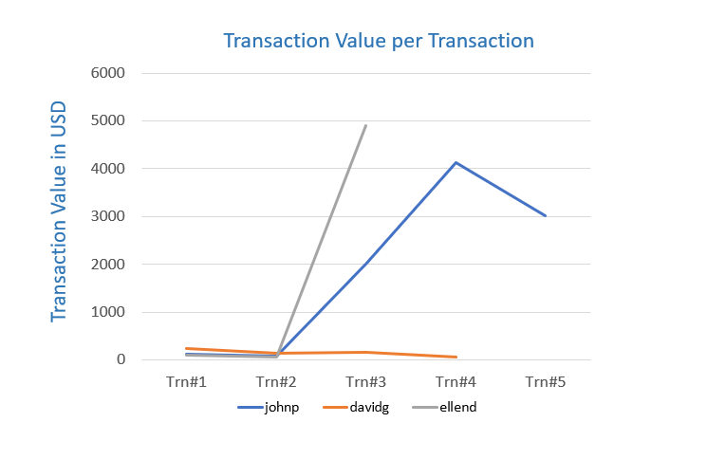

4. Briefly explain your key take-away from the provided data visualization chart. (1 mark)
Suddenly the Transaction Values for johnp and ellend went up dramatically, as much as ten times what they usually spend

5.Identify the type of analysis that you are performing when you are analyzing historical credit card data to understand what a fraudulent transaction looks like. [Hint: The four types of Analytics include: Descriptive, Diagnostic, Predictive, Prescriptive] (1 mark)
[Hint: The four types of Analytics include: Descriptive, Diagnostic, Predictive, Prescriptive]
With this historical credit card data I am using Descriptive Analytics to detect fraudulent transaction

1) Descriptive Analytics: Describing or summarising the existing data using existing business intelligence tools to better understand what is going on or what has happened.

2) Diagnostic Analytics: Focus on past performance to determine what happened and why. The result of the analysis is often an analytic dashboard.

3) Predictive Analytics: Emphasizes on predicting the possible outcome using statistical models and machine learning techniques.

4) Prescriptive Analytics: It is a type of predictive analytics that is used to recommend one or more course of action on analyzing the data.

